Step_By_Step(Scenario _Manager)
Scenario Manager

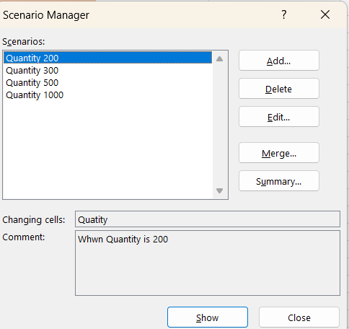
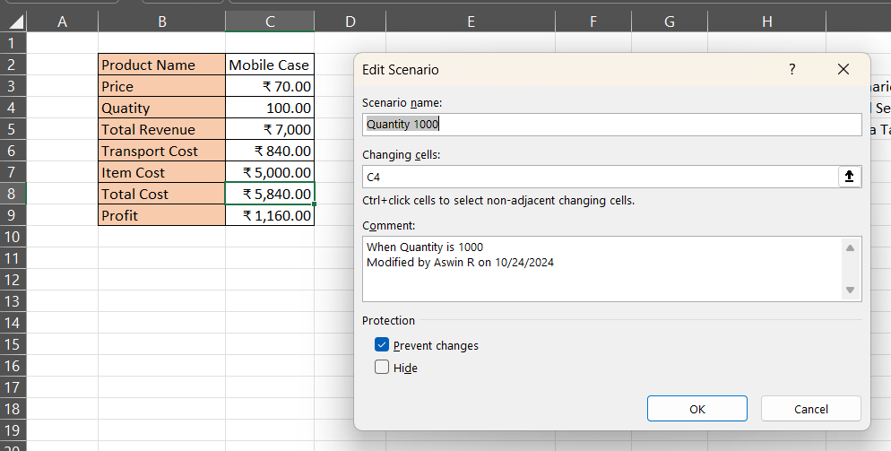
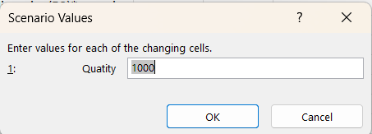
 | Adding Any Scenario |  | Setup the Quantity Value

Add -> Adding any condition
Delete -> Delete any condition
Edit -> Editing the Condition
Summary ->To view all the Scenario |  | Name_Range

 |  |  | To Setup the Name Range C9 -> changes to Profit
 |  |  | If Change means easily show the name in Scenario Manager (Summary)

Step_by_Step(Goal_Seek)
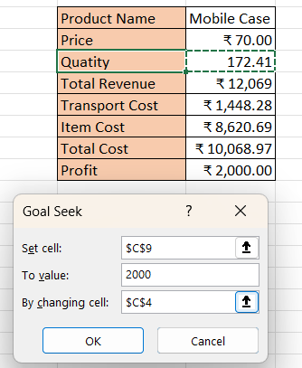
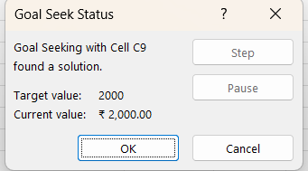
Goal Seek | Easily to check up Roundoff (price to find Quantity)
 | In the Picture | Set Cell | Price value Cell | To Value | Set Price Value | By Changing Value | Quantity Cell | x+y=z

Step_by_step(Data_Table)
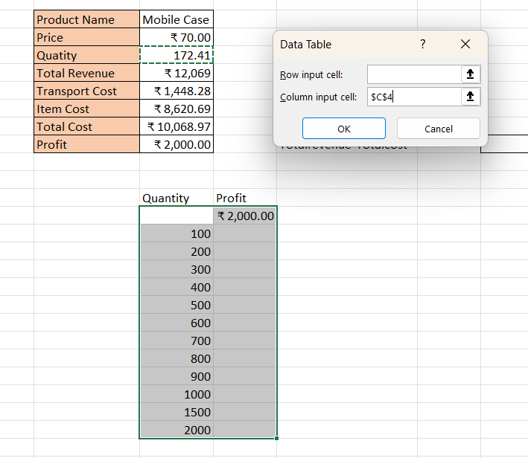
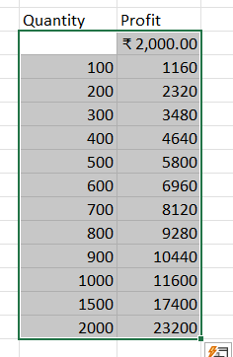
Data_Table | (column input cell -> Quantity) Quantity to find Profit

